Ack Letter
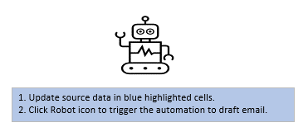
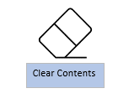
Control# | LOB | Assigned UW | Locate Email Subject

 |  |  | Same with above
 |  |  | Same with above

2nd in - ToUW
Step 1
Run Clearance Report
Submission | Control# | Date Received | Broker | Submission Status | Name Insured | Effective Date | Assigned UW
First In

Second In
Step 2
Draft 2nd In Letter
Third In

Fourth In

Step 3
Clear Contents
Fifth In
Locate Email Subject

Processor first Name | Susan

 |  |  |  | Field to be updated
 |  |  |  | Field to be check with submission email
Process Step:
 |  |  |  |  | Repeat for New Task

Click Run Clearance Report ①
Fill the information in the yellow cells ②
Click Extract Data from Report to Excel ③
Click Draft 2nd in Letter ④
Click Clear Contents ⑤

① Waiting for this window pop out and then click "OK"
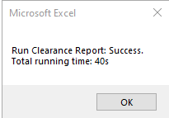

Draft Decline Letter

② Fill the info per process in these yellow cells for exsiting card & new card:
Control#
Date Received
Locate Email Subject
Processor First Name

③ Waiting for this window pop out and then click "OK"
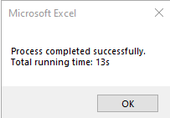

④ Double check on this step about each info before send
●Automation will only link broker's company name, if such a situation like decline a new submission for same broker comany but for different office, please add broker office info on it.
E.g: 1st in broker: RT Speciaty - New York, NY
2nd in broker: RT Speciaty - Charlotte, NC

⑤ Click to clear date, then repite process from Click Run Clearance Report for new task

